Corrupting a Stakeholder
 | Corrupting a Stakeholder
 | Stakeholders that have left the organisation need to be removed ASAP from Curtis Fitch.
 | 1. Locate a contract with the stakeholder on
 | 2. Click on the stakeholder’s name
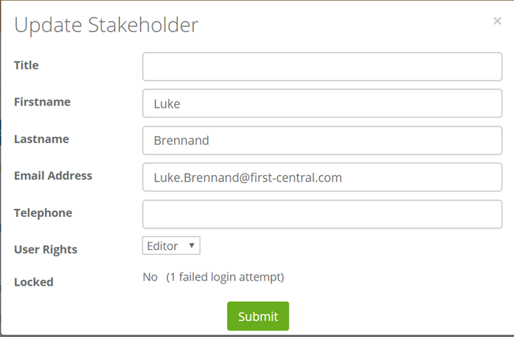 | 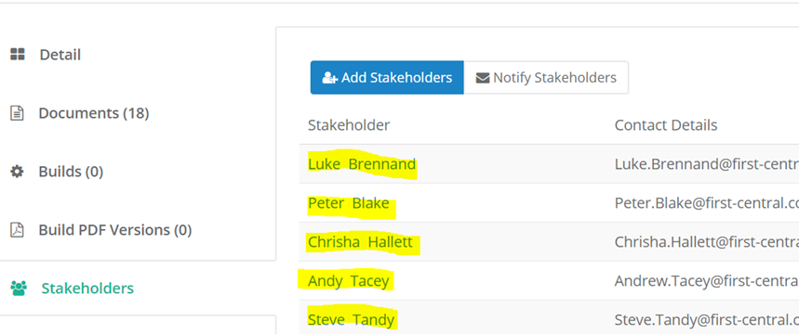
 | 3. Change the First and Last name to Do Not Use (continue numbering as per others)
 | 4. Change the email address to donotuse**@first-central.com (**fill in numbers) this will change it across ALL those contracts the stakeholder is assigned to

 | When you get a new stakeholder to add on those same contracts just go into it again and put their details in and they will be assigned to all of those contracts.

